Cover


Budget Optimization

TOOL BACKGROUND
1. The Tool is based on 26th May- 23rd Aug 2021 media spend
2. The objective of the tool is to Maximize Registrations

TOOL GUIDE
How to use this tool? Click above

Guide
GUIDE TO USE THE TOOL
Update this cell to Increase / decrease total historical spends (in %)
Click Here to optimise
 | HOME

Click here to run a altogether new scenario. This will make optimzied spend and revenue same as historical
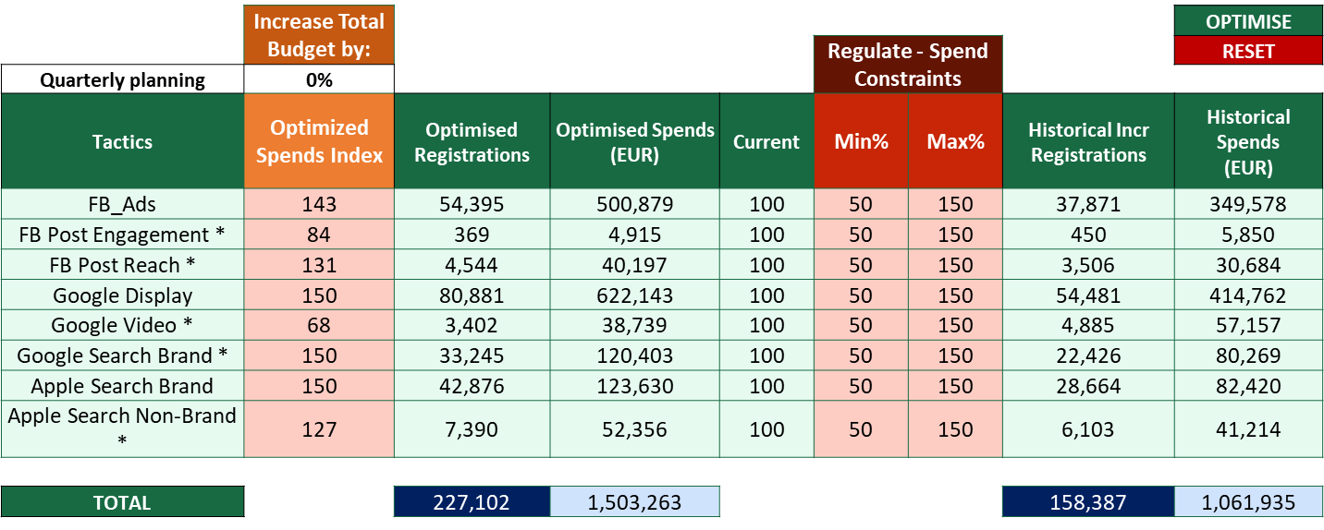

Change the Max and Min to set the constraints for each media (in %)

Bolt Simulator

 |  |  |  |  | Total Registrations | Media Registrations
 |  |  | Historical Media |  | 675,918 | 232,893
 |  |  | Optimised Media |  | 719,998 | 276,973
Count of Registered users |  |  | % Change |  | 6.5% | 18.9%
 | Increase Total Budget by:
 |  |  | Target Spend |  | Regulate - Spend Constraints
Quarterly planning | 0% |  | 2,111,638 |  |  |  | Historical Media Data |  |  | Optimization Snapshot
Tactics | Optimized Spends Index | Optimised Registrations | Optimised Spends (EUR) | Current | Min% | Max% | Historical Media Registrations | Historical Spends (EUR) | Time Period | % Profit +/- | % Spend +/- | CPR
FB_Ads | 143 | 54,395 | 500,879 | 100 | 50 | 150 | 37,871 | 349,578 | 26th May - 23rd Aug'21 | 44% | 43% | 9.2
FB Post Engagement * | 84 | 369 | 4,915 | 100 | 50 | 150 | 450 | 5,850 | 26th May - 23rd Aug'21 | -18% | -16% | 13.3
FB Post Reach * | 131 | 4,544 | 40,197 | 100 | 50 | 150 | 3,506 | 30,684 | 26th May - 23rd Aug'21 | 30% | 31% | 8.8
Google Display | 150 | 80,881 | 622,143 | 100 | 50 | 150 | 54,481 | 414,762 | 26th May - 23rd Aug'21 | 48% | 50% | 7.7
Google Video * | 68 | 3,402 | 38,739 | 100 | 50 | 150 | 4,885 | 57,157 | 26th May - 23rd Aug'21 | -30% | -32% | 11.4
Google Search Brand * | 150 | 33,245 | 120,403 | 100 | 50 | 150 | 22,426 | 80,269 | 26th May - 23rd Aug'21 | 48% | 50% | 3.6
Apple Search Brand | 150 | 42,876 | 123,630 | 100 | 50 | 150 | 28,664 | 82,420 | 26th May - 23rd Aug'21 | 50% | 50% | 2.9
Apple Search Non-Brand * | 127 | 7,390 | 52,356 | 100 | 50 | 150 | 6,103 | 41,214 | 26th May - 23rd Aug'21 | 21% | 27% | 7.1
Influencer * | 150 | 1,003 | 2,418 | 100 | 50 | 150 | 650 | 1,612 | 26th May - 23rd Aug'21 | 54% | 50% | 2.4
OOH 2021 | 50 | 28,282 | 468,283 | 100 | 50 | 150 | 58,825 | 936,565 | 3rd May - 23rd Aug'21 | -52% | -50% | 16.6
TikTok * | 50 | 83 | 2,639 | 100 | 50 | 150 | 214 | 5,278 | 26th May - 23rd Aug'21 | -61% | -50% | 31.6
Snapchat | 150 | 18,776 | 111,729 | 100 | 50 | 150 | 13,142 | 74,486 | 26th May - 23rd Aug'21 | 43% | 50% | 6.0
OOH Tiktok | 50 | 228 | 11,465 | 100 | 50 | 150 | 509 | 22,930 | 26th May - 23rd Aug'21 | -55% | -50% | 50.2
Non Digital besides OOH * | 134 | 1,498 | 11,841 | 100 | 50 | 150 | 1,167 | 8,832 | 26th May - 23rd Aug'21 | 28% | 34% | 7.9
FB Brand Acquisition | 0 | 0 | 0 | 0 | 50 | 150 | 0 | 0 | 3rd Aug -31st Oct'20 | 0% | 0% | -
Twitter | 0 | 0 | 0 | 0 | 50 | 150 | 0 | 0 | 1st Sep -29th Nov'20 | 0% | 0% | -
FB Post Brand Awareness | 0 | 0 | 0 | 0 | 50 | 150 | 0 | 0 | 3rd Aug -31st Oct'20 | 0% | 0% | -
Google Search Non-Brand | 0 | 0 | 0 | 0 | 50 | 150 | 0 | 0 | 12th Dec'19 - 10th Mar'20 | 0% | 0% | -

TOTAL |  | 276,973 | 2,111,638 |  |  |  | 232,893 | 2,111,638 |  | 18.9% | 0% | 7.6

 |  | Non-Media Registrations |  |  |  |  | Non-Media Registrations
 |  | 443,025 |  |  |  |  | 443,025
 |  | Total Optimized Registrations |  |  |  |  | Total Registrations
 |  | 719,998 |  |  |  |  | 675,918
* The spend for these media tactics are very small and not enough to get a robust read
...

